Instructions and Notes
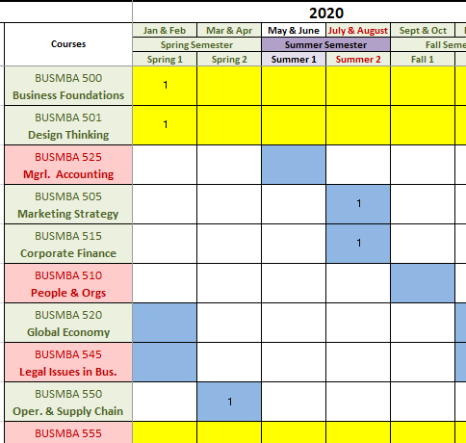

 | Instructions
• | On the following tabs you can plan a course of study by placing a "1" in each highlighted cell corresponding to the course and the session in which you intend to take it; use the "Delete" key to clear the 1's to try different scenarios
• | Yellow highlighted courses are offered every session and work with either carousel. Generally, you will want to follow one color for your other courses- either the Blue or the Orange carousel. Where the same course is offered in both carousels, there is no difference in the actual course material; the only difference is the session in which each course is offered.
• | Most students complete the degree in 24 months by taking one course per session with no breaks (after both 500 and 501 in the first session). If this is your plan, start with the second tab and follow the same color in all your courses (either Blue or Orange.)
• | If you know that you will need to take some sessions off, you may find that the last courses you need are not offered when you need them. In this case, you may want to use the "All Courses Offered" tab to see if the other carousel offers the courses you need sooner.
• | The sample schedule at right shows someone starting in Jan/Feb, then taking 1 course in Mar/Apr, no courses in May/June, 2 courses in July/August. Note the shading of the months across the top-- Green = scheduled; White = off; Red Text = heavy-load.
• | Emphasis area electives are listed in groups below the core courses.
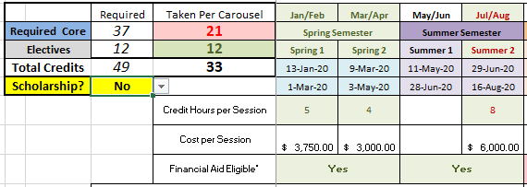
• | At the top left of the carousel, a chart totals your required core and emphasis credits. Emphasis credits must all be in the same area in order to earn that emphasis as part of your degree, otherwise you may use any 3 emphasis courses to meet your elective requirement.
• | Change the "Scholarship?" answer from No to Yes, at the top left of your carousel if you are receiving the Military, Experience, or Alumni scholarships. This gives you the correct Cost per Session and calculates Financial Aid correctly if you are using student loans.
• | Every course has several assignments with firm deadlines throughout each week, so if you know you will not be able to fully participate during a full week or longer in any session, you should not take a course in that session.
 |  |  | 1 | 1 | 1 | 1 | 1 | 1 | 1 | 1 | 1 | 1 | 1
 | Online MBA Program Considerations:
• | Courses are only offered in sessions with cells that are highlighted
• | You must take 500 and 501 together in your first 7-Week session
• | You may take the remaining courses (including electives) in any order except for 555, Integrated Capstone, which must be taken in your last session (most students take it by itself, but you may take it with one other course)
• | Course Numbers do not indicate difficulty or a preferred order, so if you are dealing with an interesting legal problem at work, you should take 545-Legal Issues first, and 520-Global Economics later. The order on the list and course numbers carry no significance.
• | We recommend that you take 515-Corporate Finance immediately after 525-Managerial Accounting. The first several weeks of Finance use balance sheet and income statement skills covered in Accounting, so unless you are an accountant, you should plan on taking Finance when the Accounting course is still fresh in your mind.
• | Please enroll for both sessions of each semester at the same time (e.g. Spring 1 and Spring 2 together). This is especially important if you are using financial aid. Aid is awarded once each semester and classes added later may not be considered in your need for aid.
• | To actually register for courses you must login to your Student Services Center at My.BoiseState
• | You must complete your degree within 7 years (but please don't take that long!)
• | Construction Management and Healthcare Leadership Electives are on the Blue Carousel; Management electives are on both the Blue and Orange Carousels; new emphasis areas are likely to be added to the Orange carousel in the future.

 | Important Notes:
• | Actual course dates are listed directly under the session at the top of the calendar-- pay close attention to those dates each semester! The July/August session actually starts in late June rather than early July; Sept/Oct starts in August and Nov/Dec starts in October.
• | Because of the way the courses rotate you may not be doing yourself any favors by taking a few heavy loads to try to finish your degree sooner; you may see that you earn your degree almost as quickly by taking one course at a time.
• | Graduation at Boise State occurs in May, August, or December and your degree will be awarded on those dates (so if you finish your last course in March you still have to wait until May to graduate)
 | 1 | Diplomas are mailed 6 to 8 weeks after graduation (whether you participate in the ceremony or not)
 | 2 | Even though there is a "Graduation" in August, Boise State does not have a ceremony then; if you graduate in August and would like to participate, you are invited to the following December's Commencement ceremony

 | What Should I Expect When I Am Taking a Course?
• | Courses are open to students over the weekend before the official first day. Most courses also have a final assignment due on the last Sunday (so you'll see the session dates start on Monday and end seven weeks later on Sunday.)
• | There is never an assignment due until after the official first day (Monday) but that weekend before the first Monday is a really good time to get a sense of the course expectations and to start your coursework so that you don't fall behind later
• | Although there is some flexibility to allow you to study on your own schedule, these 7-week courses are very condensed and require a steady load of considerable study and coursework each week; the average 4-credit course requires 20-25 hours per week.
• | No courses require you to "attend" an online lecture at any specified time during the week, but you may need to set up meetings with other team members or with your professor for certain assignments
• | If you know that you will not be able to fully participate for more than a few days at a time in any session please contact your Professor before the start of the course to see what accomodations can be made (interaction with other students is often required and you must be able to meet all scheduled requirements.) Expect that you will need to submit assignments early.
• | The schedule includes a one-week Spring Break and one-week Thanksgiving Break (no assignments are due during these breaks.) Fall 2 and Spring 2 sessions always have these breaks and are 8-weeks long, but there is no additional coursework.
• | Actual dates for Spring Break and Thanksgiving can be found on the official University calendar
• | Usually there is a 'week off' between sessions, but that is longer during the December/January break and there is no break between sessions in the middle of summer (near the end of June.) Be sure to check the exact dates listed at the top of the planning calendar especially when planning vacations-- you don't want to realize that classes have already started when you are on the beach and still have 3 more days of vacation planned! (this has happened to students before)
• | The week off between sessions is a great time to plan travel so that you can devote yourself fully to studying when you are taking courses, but remember that each session goes through Sunday and your next course opens on Friday.

 | Tuition and Financial Aid:
• | Total Tuition for the entire program is $36,750 and this includes online textbooks; other than the application fee, the only other fee is a $25 graduation fee to receive your diploma at the end of the program
• | Tuition charges are posted to your student account as soon as you register for a course but they are not due until the Saturday before the first official day.
• | You will incur a late fees if you haven't paid tuition in full on the due date
• | If "Financial Aid Eligible*" shows a negative number: you either need more than 4 credit hours in that semester, or you have exceeded a potential per-semester limit-- please read below for further details
• | Financial Aid eligibility is partially determined by Semester and each semester includes two 7-week sessions
• | You must take at least 5 credit hours in a semester to be eligible for Financial Aid; the coursel shows eligibility by semester at the bottom; "Yes" means your total amount is eligible for that semester (as long as you haven't exceeded the annual maximum below); a negative number is the amount that is not covered by financial aid; there are no exceptions to the 5-credit rule
• | The Aid amounts shown are based only on Tuition; you will be able to borrow (subject to the the semester and yearly maximum limits described above) in amounts beyond actual Tuition costs (to cover estimated living expenses), therefore it is likely that over the course of the program you could borrow enough in advance to pay all of your Tuition even if your last course falls in a semester where you are ineligible for Aid because you have less than 5 credit hours; to make this work, you must plan ahead.
• | If you intend to take one course in each half of a semester, you must register for both at the same time, before the semester starts in order to receive aid for both courses, and if you later drop one of them after having received aid for that semester, you may have to repay that loan amount immediately
• | If "Exceeds Max Annual Fin Aid Amount by**" shows a negative number, this is the total amount you will have to pay out of pocket for the year. Even if you have a green "Yes" in the cells above, you cannot exceed the maximum, $20,500, in any Academic Year (September through the following August)
• | Fall or Spring Semester aid may be limited to $12,500 for the semester, unless you are near the end of your degree; this is to ensure that some aid will be available for you in the following semesters of that academic year; you may be able to borrow the shortfall in a later semester, but you should plan to pay the shortfall amount in advance; please contact the Financial Aid office to see how this limit will affect your situation
• | The biggest problem students have with aid is not saving enough eligibility to pay for summer tuition. The $20,500 annual limit covers three semesters each year: Fall, Spring, and Summer. If you borrow more than is needed in Fall and Spring, you may have to pay cash out-of-pocket to cover Summer. The best solution to this problem is to only accept enough aid to cover tuition; otherwise you need to budget ahead to have money saved for summer courses. If you borrow more than is needed in Fall and Spring you will receive a "refund" and if that is spent on other things, it could add several years to complete the degree.
• | This scheduling tool is for estimating purposes only and doesn't promise that you will be eligible for aid or for any specific amount of aid; please contact the Financial Aid office for exact details on how much aid you can expect per semester
• | Financial Aid limits as shown are only applicable to Federal Direct Student Loans; you may be eligible for Federal PLUS loans or student loans from other sources. Although these generally have higher costs and tougher qualification standards, you may be able to use them for amounts over the Direct Loan Program limits
• | As long as you continue to be enrolled in at least 5 credit hours per semester your loans will stay in deferment, but deferment ceases if you go 6 consecutive months below 5 credits in any full semester and then you will have to start repayment on any previous loans, whether you have completed your degree or not
 | For further Financial Aid information please click here

 | Also…
• | This spreadsheet is locked to prevent you from accidentally deleting formulas or conditional formatting rules; feel free to unlock it if you want full access--just remember to save a backup copy first! The password to unlock is "Broncos" with a capital "B" (go to the "Review" tab and find "Unprotect Sheet")
• | Please contact your Advisor if you have any questions or want to confirm that your schedule will work!

